Reference Data
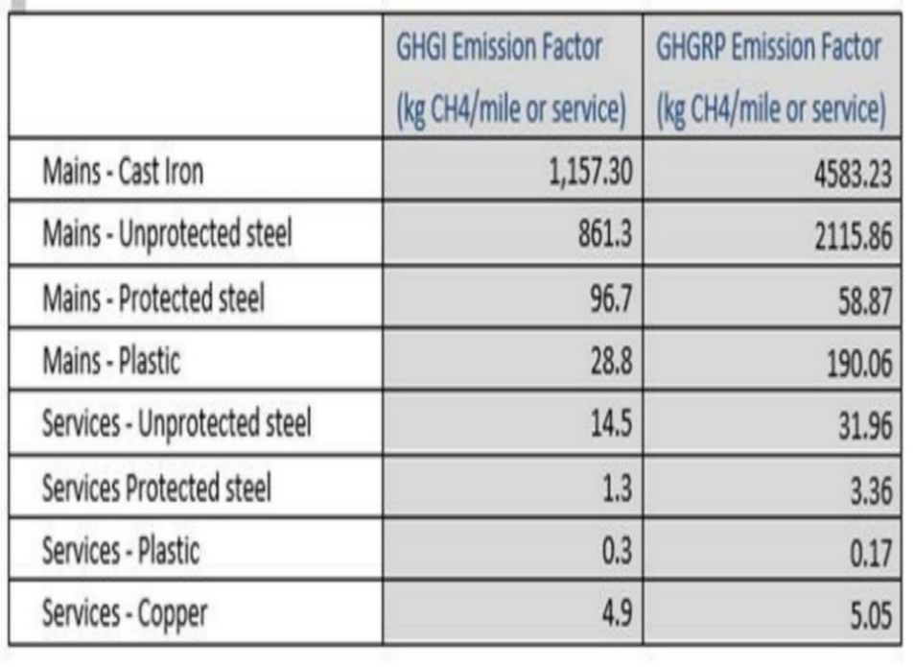
This reporting template has been developed to assist companies in calculating methane emission intensity for the processing segment following the Natural Gas Sustainability Initative (NGSI) Methane Emissions Intensity Protocol v 1.0. |  |  |  |  |  |  | NGSI Template © 2021 M.J. Bradley & Associates, LLC. For questions, contact: NGSI@mjbradley.com

Overview |  |  |  |  |  |  | NGSI Methane Intensity Protocol v 1.0 is available from:
The NGSI Methane Emissions Intensity Protocol v 1.0 describes a methodology for calculating company-level methane emission intensities for each segment of the natural gas supply chain in which a company operates. The protocol is designed to include methane emissions from facilities that report under Subpart W of EPA's Greenhouse Gas Reporting Program (GHGRP) as well as facilities that are below the GHGRP reporting threshold. The protocol also includes estimated methane emissions from specific sources not included in GHGRP reporting. Emissions from these sources are calculated using company reported activity data and emission factors from EPA's Greenhouse Gas Inventory (GHG Inventory). In the Onshore Production, Gathering & Boosting, and Processing segments, the protocol includes an approach to allocating methane emissions to the natural gas value chain and liquids value chain; all emissions from the Transmission & Storage and Distribution segments, which do not share equipment with other commodities, are allocated to the natural gas value chain. Methane emissions allocated to the natural gas supply chain serves as the numerator for the intensity calculation. The denominator is calculated by multiplying total throughput for a given segment by the average methane content of that throughput. After aligning the units of the numerator and denominator using the density of methane, methane emissions intensity is calculated as a percentage. Additional details on the methodology and approach are available in the NGSI Methane Emissions Intensity Protocol v 1.0.
 |  |  |  |  |  |  | EEI NGSI Website
 |  |  |  |  |  |  | NGSI @ AGA.org

Instructions
The second and third tabs in this spreadsheet are populated with equations for use in calculating methane emissions and methane emission intensity for facilities that report emissions under Subpart W of EPA's GHGRP ["Process GHGRP Facilities" tab] and facilities that do not report under GHGRP ["Process Non-GHGRP Facilities" tab]. The "Public Data" tab highlights information that companies would report publicly to be consistent with the NGSI Methane Emissions Intensity Protocol v 1.0. The "Public Data" tab captures company-level data for all facilities in the segment. General instructions are provided below; each individual row has more detailed instructions. Please reference the NGSI Methane Emissions Intensity Protocol v 1.0 for additional guidance.

The process for completing the "Process GHGRP Facilities" and "Process Non-GHGRP Facilities" tabs is identical. In Section 1, manually input total facility methane emissions in the blue shaded cells for each source category, as reported to GHGRP. Emissions for each source, rather than total emissions reported to GHGRP, must be provided due to the emissions allocation methodology for the processing segment. For the "Process Non-GHGRP" tab, these emissions will be estimated using the GHGRP methodology, as noted. All emissions for sources using the GHGRP methodology should be reported in metric tons of methane. A methane density conversion factor of 0.0192 MT/Mscf should be used if necessary. Section 2 requires input of activity data for sources not covered by the GHGRP in the yellow shaded cells. The spreadsheet will automatically calculate emissions from these sources in Section 3 with embedded formulas using GHG Inventory emission factors. For centrifugal compressors with dry seals, companies have the option of using a company-specific emission factor based on measurements from dry seals (measurements are to be taken using Subpart W measurement methods for wet seals). If a company-specific emission factor is used, it should be entered in cell E73 in reference table below, which will apply the factor to all centrifugal compressors with dry seals. Section 4 sums total methane emissions from all sources at the facility level. In Section 5, the spreadsheet allocates methane emissions between the natural gas value chain and natural gas liquid (NGL) value chain. Certain sources allocate 100% of their emissions to the natural gas value chain, while others allocate emissions based on an energy content weighted gas ratio. See the NGSI Methane Emissions Intensity Protocol v 1.0 for more information on the processing segment emissions allocation methodology. The gas ratio is calculated with reported volumes of natural gas processed, NGLs processed, and the energy contents for

Spreadsheet Key
 | Blue shaded cells require information to be manually entered. This includes emissions from sources covered by the GHGRP and throughput.

 | Yellow shaded cells designate activity factor data that must be manually entered.

 | Orange shaded cells designate cells with default assumptions for average energy content or average methane content. This information may be manually overwritten if individual facilities have average energy contents or methane contents that differ from the default factors.

 |  | Reference Data

 |  | Conversion Factors
 |  |  | Parameter | Value | Unit
 |  |  | Methane Density | 0.0192 | metric ton/thousand standard cubic feet
 |  |  | Source: 40 CFR 98.233(v) |  |  |  | Notes
 |  |  |  |  |  |  | To convert thousand standard cubic feet (Mscf) methane to metric ton (MT) methane, multiply Mscf by 0.0192
 |  | 2020 Emission Factors for GHG Inventory Methodology Sources
 |  |  |  | Emission Factor | Unit | Source
 |  | Processing |  | GHGI EFs
 |  |  | Acid gas removal units | 42,762.88 | kg CH4/AGRU | 2020 GHGI processing segment
 |  |  | Dry seals on centrifugal compressors | 28,420.96 | kg CH4/dry seal compressor | 2020 GHGI processing segment; replace with company-specific EF if using alternative calculation methodology
 |  |  | Low-bleed pneumatic controllers (Use Transmission EF) | 217.40 | kg CH4/PC | 2020 GHGI transmission and storage segment, pneumatic devices in transmission service*
 |  |  | Intermittent-bleed pneumatic controllers (Use Transmission EF) | 372.77 | kg CH4/PC | 2020 GHGI transmission and storage segment, pneumatic devices in transmission service*
 |  |  | High-bleed pneumatic controllers (Use Transmission EF) | 2,863.03 | kg CH4/PC | 2020 GHGI transmission and storage segment, pneumatic devices in transmission service*
 |  |  | *Pneumatic controllers use GHG Inventory emissions factors for controllers in transmission service from the Transmission & Storage segment. These component-level factors are used in place of the GHG Inventory’s plant-level pneumatic controller emission factor for the processing segment. Many pneumatic devices at processing plants are driven by electricity or instrument air rather than natural gas, and thus have zero emissions. Component-level factors therefore more accurately estimate actual emissions compared to a plant-level factor, which does not reflect actual component types and counts.

